Minh
BÁO CÁO THĂNG CHỨC/PROMOTION REPORT (For Officer below - both Grade-up and Rank-up Promotion)

■ Họ tên/Full name | : | Nguyen Nhu Minh | ■ Vị trí cũ/Curent Position | : | Officer | ■ Vị trí mới/ New Position | : | Officer
■ Số ID/ID Number | : | 2012757 | ■ Bậc cũ/ Current Rank | : | V12 | ■ Bậc mới/ New Rank | : | V13
■ Bộ phận/Section | : | ISD | ■ Loại/ Promotion type | : | Nâng bậc/Rank-up | ■ Ngày vào | : | 12-Feb-2019

My Job
Develop Software
Support end user
Study new method
Survey & Analysis
Design database & template
Code testing & go live
IT system
Panasonic system
Japan system
Web API MVC
SignalR, Websocket
A. CÔNG VIỆC HIỆN TẠI/ CURRENT JOBS:
1. Giới thiệu công việc và thành tích chung/ Introduce current jobs and achievements:
1.1.Introduce current jobs.

1.2. Achievements.
FY2021 Total improvement by making IT systems to save 9K$ / year and reduce : 6pax

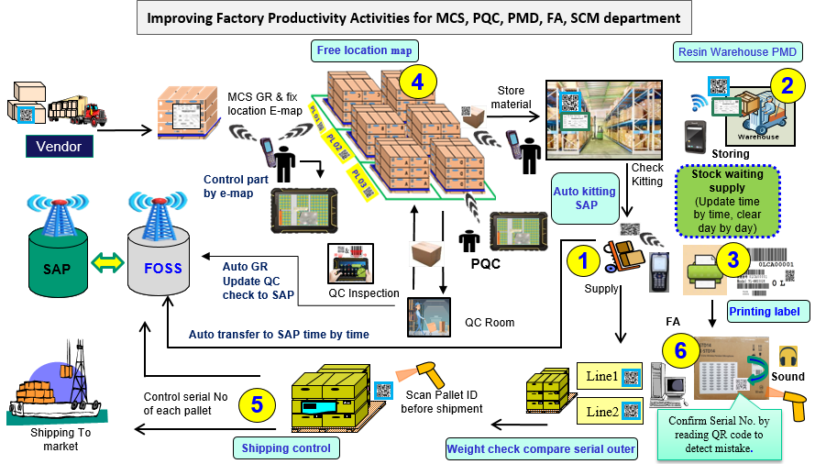


1

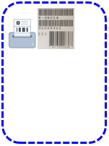

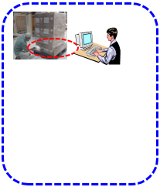
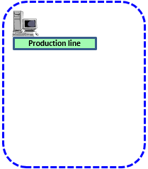
New: Prevent supply wrong & Auto link SAP when input cargo into warehouse
2
New: Automatic generate serial & control, manage operations and history
3
New: MCS easy control material by e-map
QC check part auto link SAP by 1 click.
4
5
New: Easy dowload all data & find serial on code Pallet with short time
New version weight check
New: Scan serial of Charger, outer & Inner box, serial outer, serial on mainboard
(prevent operation mistake) )
6

New: Auto link SAP time by time when kitting

2. Những khó khăn trong công việc hiện tại/Difficulties in current jobs:
2.1 Many systems request from Department,need to solve them so not enough time to create effective software at 1st time.
2.2 There are many systems which means that the time to support users increases. Therefore not enough time to develop software.
2.3 English communication has limited.
3. Phương pháp cải tiến của bản thân/ Kaizen methods of individual jobs:
3.1 Priority main requirements and save free time as break time or day off to study analysis skill & new technology apply to job.
3.2 Make standard document for application & share my experience to others to support user quickly. More HoRenSo in teamwork
3.3 Practice English with other member. Especially foreigner as my boss or colleagues are other japanese.
B. KẾ HOẠCH PHÁT TRIỂN BẢN THÂN/DEVELOPMENT PLAN
1. Kế hoạch phát triển công việc & bản thân sau khi thăng chức/ Development plan in job & yourself after promotion
Auto input data to SAP system aim to easy control operation, reduce manual & traceability history.
GR MCS
PMD system
free location

Update backflush & result actual operation
Dowload invoice daily
Kitting line production
SAP

Recycle Resin and NG Resin
Dowload data
Feedback result inspection
Line1
PQC Inspection
Backflush
Line2

Modify weight check system for cate DP, Sound Business to Prevent Double ID & Serial No
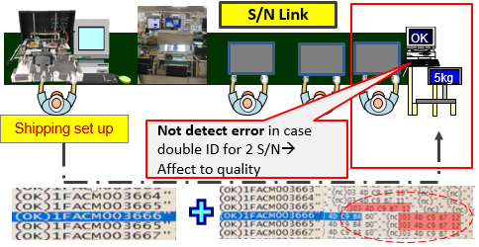
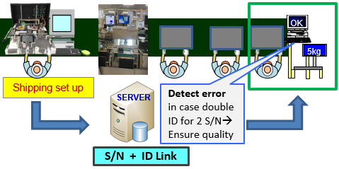

Improve Support user skill, Join English course, Coding skill, Analysis skill factory operation.

2. Kiến thức, kỹ năng mong muốn được nâng cao thêm/Skills & knowledge expected to develop more:
- Attend training new technology course and research new technologies such as Reactive, SignalR, websocket.
- Improve my soft skill: Enrolling the soft skill course – communication & presentation skill course annual of GA (on 28th ~ 29th, Jul)
- Improve teamwork skill.

Notes: - Leader trở xuống: 01 trang ( (ưu tiên English), Officer: 02 trang bằng English. 3 bản copy: Bản gốc nộp GA, 1 Bộ phận và 1 cá nhân giữ để theo dõi và đánh giá. - Leader below: 01 page (English prefer); Officer: 02 English pages. Report of 3 copies: Original to GA, Section 1 & candidate 1 to follow & evaluate development.

 |  |  | PANASONIC SYSTEM NETWORKS VIETNAM CO., LTD.

